Application Screen
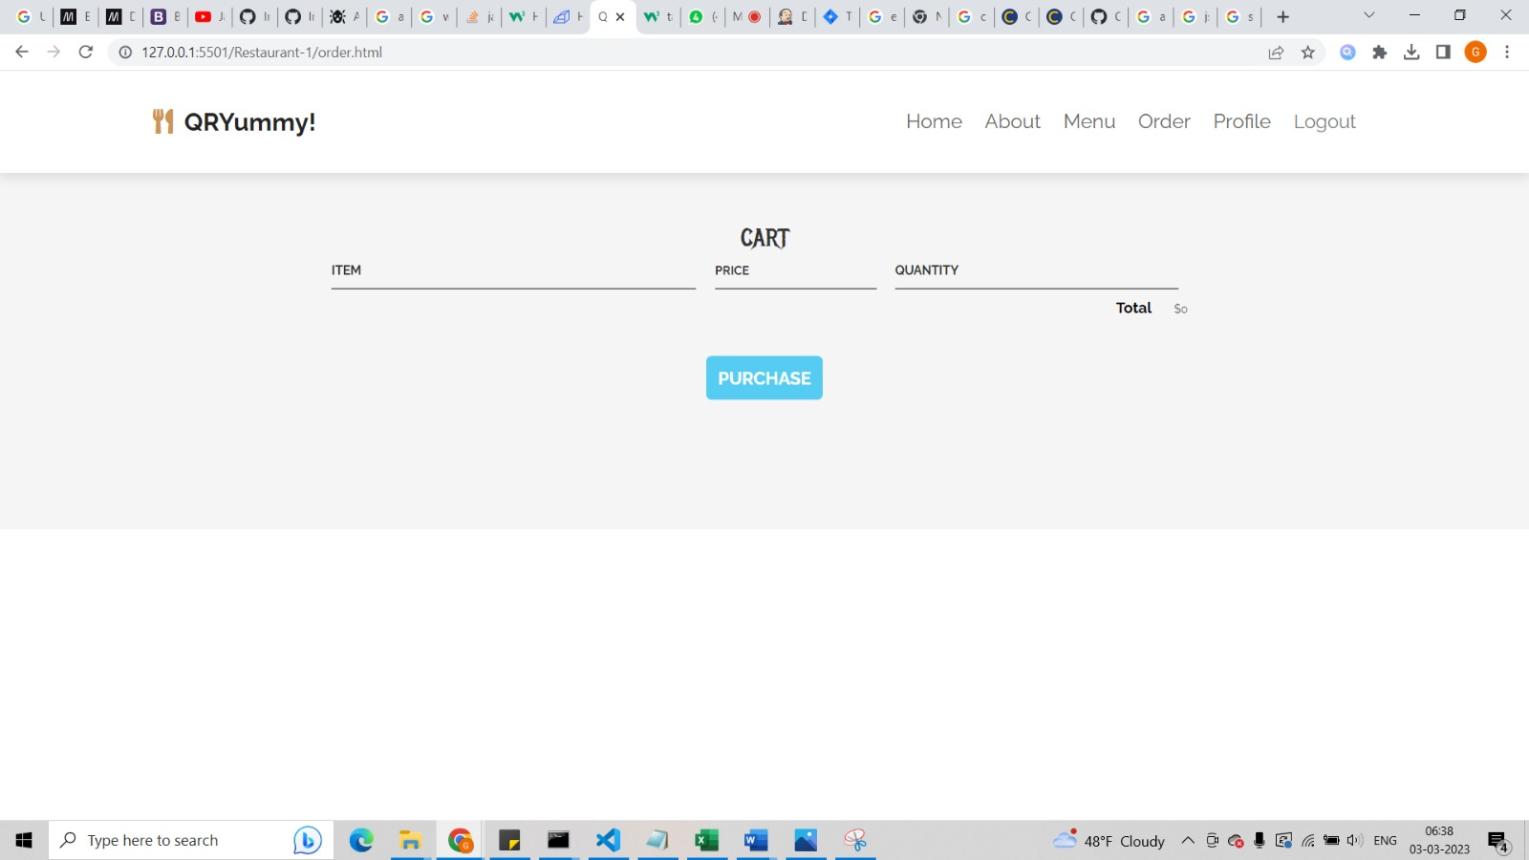

Test Case 2
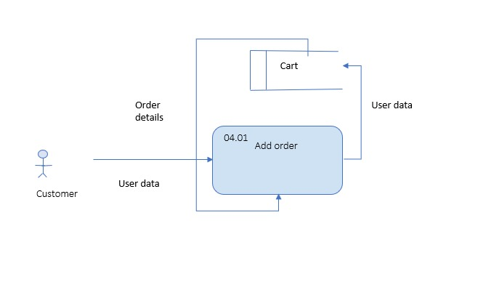
TC Title: | TC2. Add Order - Core Functionality Testing + Data Driven Defaults + Data Flow In

TC Objective: | The objective of this test case to validate the core functionality of the feature which is to select a menu and add items from the menu to the cart. This test case also validates that the checkout will only commence if there is at least one item in the cart.

TC Description
 | Step | Step Description | Expected Results
 | 1 | Add a single menu item to the cart from the menu page. | The name of the item, the price, and the quantity of said item should appear in their respective text fields.
 | 2 | Add multiple menu items to the cart from the menu page. | The sum of all menu items should add up to the total price.
 | 3 | Remove an item from the cart. | The removed item should no longer appear in the cart and the total amount is reduced due to an item being removed.
 | 4 | Press the purchase button with multiple items in the cart. | With items being purchased, the page should redirect to the checkout screen.

